4 BAR
4 BAR pressure analysis W.R.T Time
 |  |  | TIME (Sec) | PRESSURE (Bar)
 |  |  | 17:44:04 | 4.064
 |  |  | 17:44:05 | 4.062
 |  |  | 17:44:06 | 4.064
 |  |  | 17:44:11 | 3.771
 |  |  | 17:44:14 | 3.797
Starting Pressure | Cycles per mins | Operating Pressure | 17:44:15 | 3.774
4.064 | 135 | 3.788 | 17:44:16 | 3.809
 |  |  | 17:44:21 | 3.774
 |  |  | 17:44:24 | 3.809
 |  |  | 17:44:25 | 3.829
 |  |  | 17:44:26 | 3.791
 |  |  | 17:44:27 | 3.784
 |  |  | 17:44:28 | 3.794
 |  |  | 17:44:29 | 3.825
 |  |  | 17:44:30 | 3.78
 |  |  | 17:44:31 | 3.827
 |  |  | 17:44:32 | 3.796
 |  |  | 17:44:33 | 3.787
 |  |  | 17:44:34 | 3.823
 |  |  | 17:44:35 | 3.809
 |  |  | 17:44:36 | 3.794
 |  |  | 17:44:37 | 3.787
 |  |  | 17:44:38 | 3.769
 |  |  | 17:44:39 | 3.791
 |  |  | 17:44:43 | 3.776
 |  |  | 17:44:44 | 3.802
 |  |  | 17:44:46 | 3.808
 |  |  | 17:44:47 | 3.768
 |  |  | 17:44:48 | 3.824
 |  |  | 17:44:49 | 3.789
 |  |  | 17:44:54 | 3.834
 |  |  | 17:44:56 | 3.806
 |  |  | 17:44:57 | 3.806
 |  |  | 17:44:58 | 3.783
 |  |  | 17:44:59 | 3.841
 |  |  | 17:45:04 | 3.837
 |  |  | 17:45:07 | 3.799
 |  |  | 17:45:08 | 3.776
 |  |  | 17:45:09 | 3.825
 |  |  | 17:45:14 | 4.096
 |  |  | 17:45:17 | 4.088

6 BAR
 |  |  | TIME (Sec) | PRESSURE (Bar)
 |  |  | 17:47:24 | 6.016
 |  |  | 17:47:29 | 6.017
6 BAR pressure analysis W.R.T Time
 |  |  | 17:47:31 | 5.672
 |  |  | 17:47:32 | 5.672
 |  |  | 17:47:33 | 5.714
 |  |  | 17:47:34 | 5.73
Starting Pressure | Cycles per mins | Operating Pressure | 17:47:39 | 5.685
6.016 | 131 | 5.7 | 17:47:42 | 5.712
 |  |  | 17:47:43 | 5.691
 |  |  | 17:47:44 | 5.75
 |  |  | 17:47:45 | 5.718
 |  |  | 17:47:49 | 5.64
 |  |  | 17:47:50 | 5.728
 |  |  | 17:47:52 | 5.642
 |  |  | 17:47:53 | 5.715
 |  |  | 17:47:54 | 5.664
 |  |  | 17:47:55 | 5.688
 |  |  | 17:48:00 | 5.725
 |  |  | 17:48:02 | 5.727
 |  |  | 17:48:03 | 5.727
 |  |  | 17:48:04 | 5.632
 |  |  | 17:48:05 | 5.717
 |  |  | 17:48:06 | 5.734
 |  |  | 17:48:07 | 5.635
 |  |  | 17:48:08 | 5.748
 |  |  | 17:48:09 | 5.733
 |  |  | 17:48:10 | 5.707
 |  |  | 17:48:11 | 5.695
 |  |  | 17:48:12 | 5.755
 |  |  | 17:48:13 | 5.711
 |  |  | 17:48:14 | 5.666
 |  |  | 17:48:15 | 5.746
 |  |  | 17:48:19 | 5.747
 |  |  | 17:48:20 | 5.747
 |  |  | 17:48:22 | 5.76
 |  |  | 17:48:23 | 5.681
 |  |  | 17:48:24 | 5.737
 |  |  | 17:48:25 | 5.725
 |  |  | 17:48:30 | 6.072
 |  |  | 17:48:32 | 6.046

8 BAR
 |  |  | TIME (Secs) | PRESSURE(Bar)
 |  |  | 17:50:44 | 8.028
 |  |  | 17:50:45 | 8.027
8 BAR pressure analysis W.R.T Time
 |  |  | 17:50:46 | 8.025
Starting Pressure | Cycles per mins | Operating Pressure | 17:50:47 | 7.43
8.028 | 124 | 7.45 | 17:50:48 | 7.495
 |  |  | 17:50:49 | 7.421
 |  |  | 17:50:50 | 7.206
 |  |  | 17:50:51 | 7.32
 |  |  | 17:50:52 | 7.505
 |  |  | 17:50:53 | 7.468
 |  |  | 17:50:57 | 7.199
 |  |  | 17:51:00 | 7.25
 |  |  | 17:51:01 | 7.437
 |  |  | 17:51:02 | 7.433
 |  |  | 17:51:03 | 7.278
 |  |  | 17:51:08 | 7.256
 |  |  | 17:51:10 | 7.374
 |  |  | 17:51:11 | 7.469
 |  |  | 17:51:12 | 7.416
 |  |  | 17:51:13 | 7.369
 |  |  | 17:51:18 | 7.434
 |  |  | 17:51:21 | 7.185
 |  |  | 17:51:22 | 7.462
 |  |  | 17:51:23 | 7.449
 |  |  | 17:51:24 | 7.419
 |  |  | 17:51:25 | 7.422
 |  |  | 17:51:26 | 7.365
 |  |  | 17:51:27 | 7.245
 |  |  | 17:51:32 | 7.333
 |  |  | 17:51:34 | 7.408
 |  |  | 17:51:35 | 7.183
 |  |  | 17:51:36 | 7.164
 |  |  | 17:51:37 | 7.303
 |  |  | 17:51:42 | 7.206
 |  |  | 17:51:44 | 7.158
 |  |  | 17:51:45 | 7.371
 |  |  | 17:51:46 | 7.4
 |  |  | 17:51:47 | 8.301
 |  |  | 17:51:52 | 8.203
 |  |  | 17:51:55 | 8.191

Events
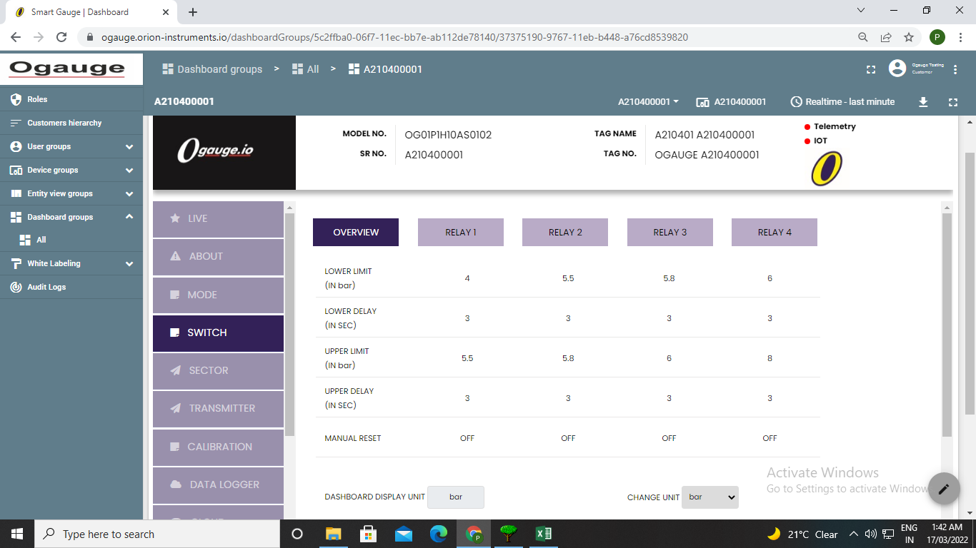
Time | Event | Description
16-03-2022 17:46:30 | Relay-1 | 1
16-03-2022 17:46:38 | Relay-2 | 1
16-03-2022 17:46:38 | Relay-2 | 1
16-03-2022 17:50:00 | Relay-4 | 1

